Sheet1
 | Design | Units | RRP | Total RRP
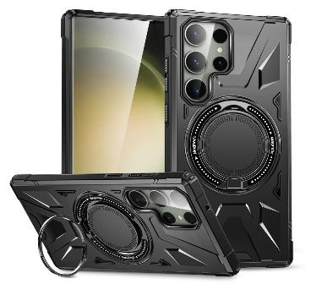 | Mag safe phone case | 56 | £7.99 | £447.44
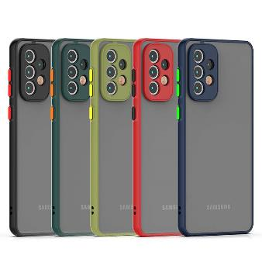 | Color Phone Case | 284 | £6.99 | £1,985.16
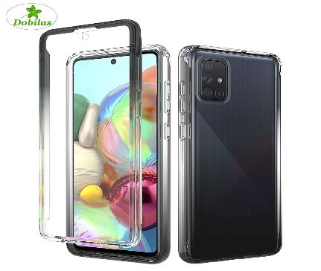 | Gradient phone case | 420 | £8.99 | £3,775.80
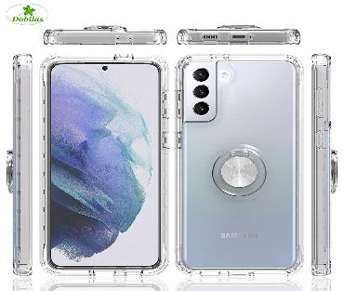 | Clear with Ring phone case | 50 | £7.99 | £399.50
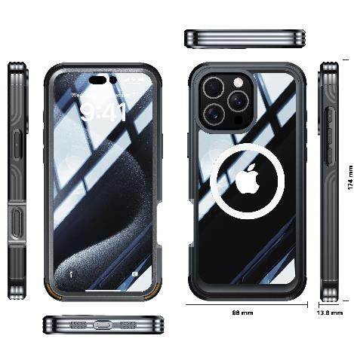 | Heavy Duty New phone case | 28 | £9.99 | £279.72
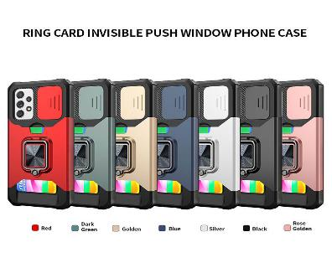 | Ring + card Holder phone case | 91 | £7.99 | £727.09
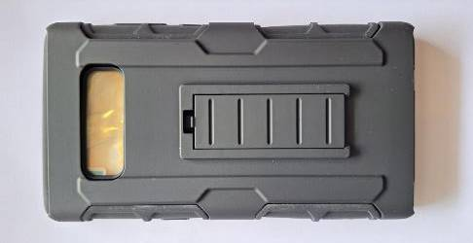 | Clip phone Case sen model | 315 | £6.99 | £2,201.85
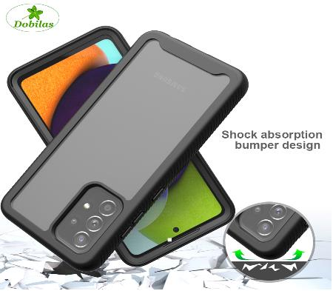 | Built phone case | 2109 | £7.99 | £16,850.91
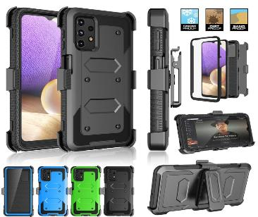 | Shell phone Case | 94 | £8.99 | £845.06
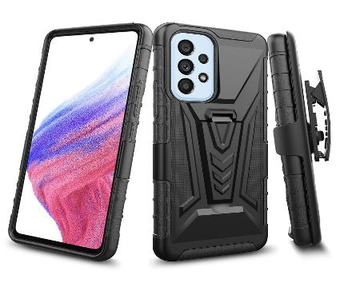 | Belt Clip phone Case with stand | 813 | £8.99 | £7,308.87
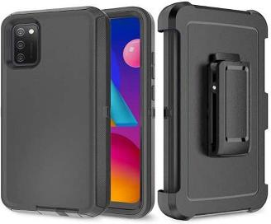 | Belt Clip phone Case | 270 | £8.99 | £2,427.30
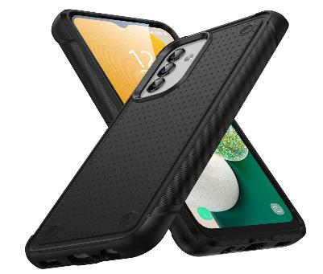 | Armor phone Case | 435 | £7.99 | £3,475.65
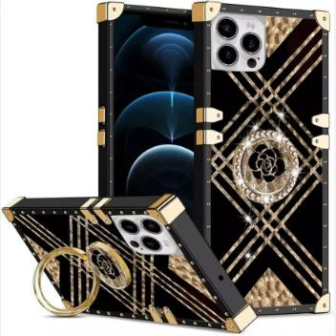 | Diamond phone Case | 219 | £8.99 | £1,968.81
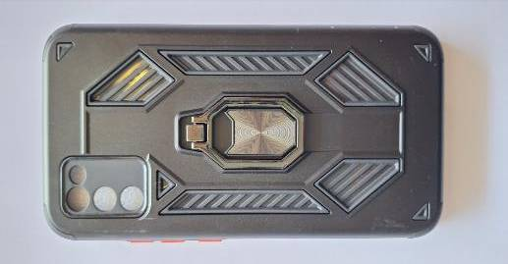 | Mesha phone Case | 505 | £7.99 | £4,034.95
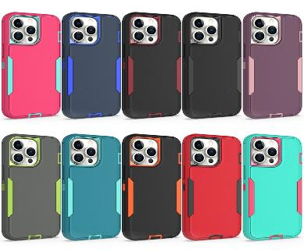 | Combo phone Case | 757 | £7.99 | £6,048.43
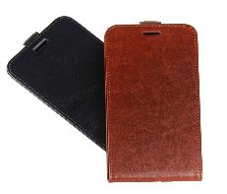 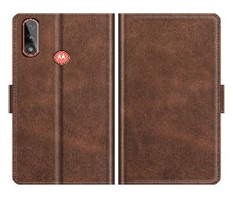 | Leather phone Case | 56 | £7.99 | £447.44
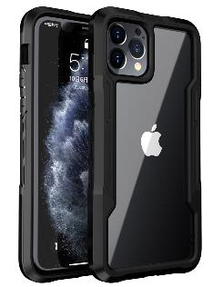 | Olaf phone Case | 563 | £7.99 | £4,498.37
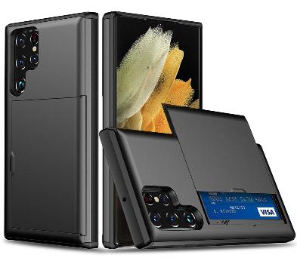 | Card Holder phone Case | 45 | £7.99 | £359.55
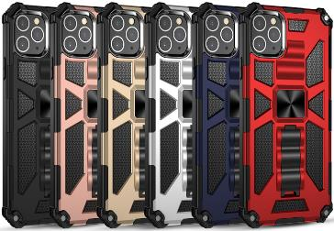 | Mens Style phone Case | 273 | £7.99 | £2,181.27
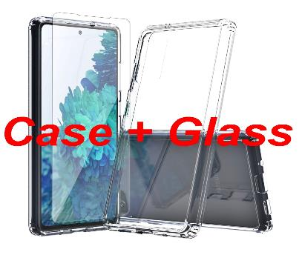 | Clear Acrylic TPU phone case + Tempered Glass | 1430 | £8.99 | £12,855.70
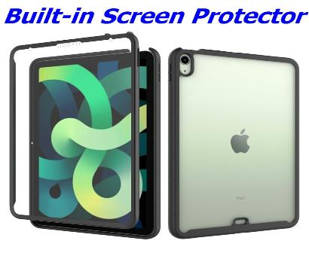 | Ipad case | 78 | £12.99 | £1,013.22
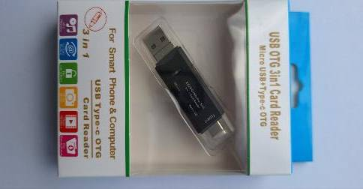 | USB OTG 3 IN 1 CARD READER | 26 | £7.99 | £207.74
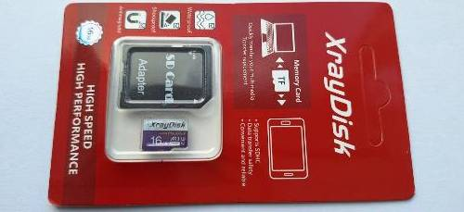 | 16GB Memory Card with adapter | 17 | £9.99 | £169.83
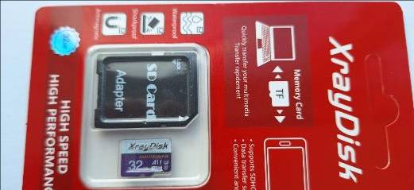 | 32GB Memory Card with adapter | 15 | £8.99 | £134.85

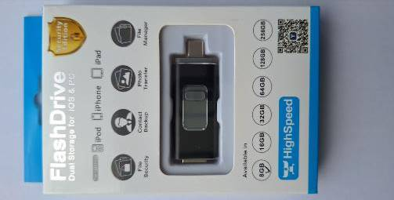 | 8GB Flash Drive | 8 | £7.99 | £63.92
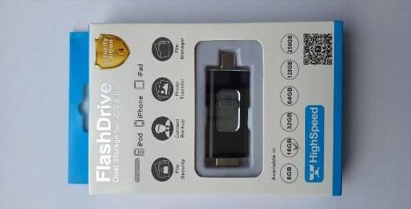 | 16GB Flash Drive | 6 | £8.99 | £53.94
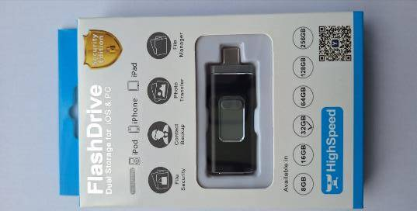 | 32GB Flash Drive | 6 | £13.99 | £83.94

 | LED BULBS
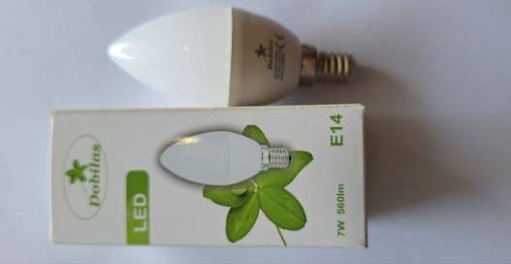 | E14 WARM WHITE 7W CANDLE | 600 | £4.99 | £2,994.00
 | E14 COOL WHITE 7W CANDLE | 100 | £4.99 | £499.00
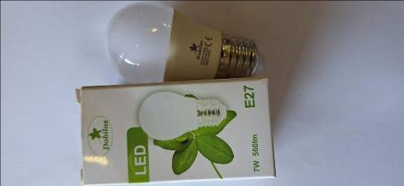 | E27 WARM WHITE 7W GOLF BALL | 450 | £4.99 | £2,245.50
 | E27 COOL WHITE 7W GOLF BALL | 290 | £4.99 | £1,447.10
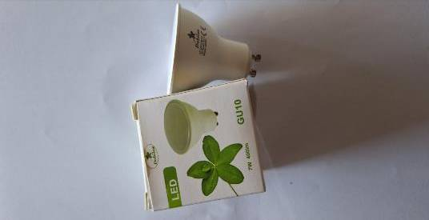 | GU10 7W WARM WHITE | 100 | £4.99 | £499.00
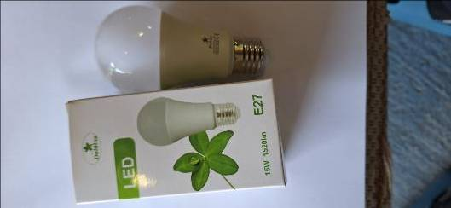 | E27 COOL WHITE 15W GLOBE | 500 | £4.99 | £2,495.00
 | E27 WARM WHITE 15W GLOBE | 700 | £4.99 | £3,493.00
 | Total: | 11709 | Total: | £88,518.91

